Sheet1
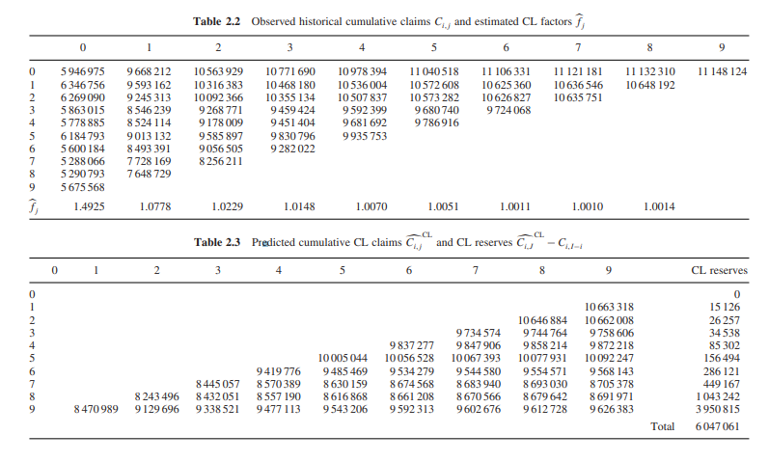
 | 0 | 1 | 2 | 3 | 4 | 5 | 6 | 7 | 8 | 9 |  |  |  |  | Development factor
0 | 5946975 | 9668212 | 10563929 | 10771690 | 10978394 | 11040518 | 11106331 | 11121181 | 11132310 | 11148124 |  |  |  |  | Year | 1-2 | 2-3 | 3-4 | 4-5 | 5-6 | 6-7 | 7-8 | 8-9 | 9-10
1 | 6346756 | 9593162 | 10316383 | 10468180 | 10536004 | 10572608 | 10625360 | 10636546 | 10648192 | 10663318 |  |  |  |  | 1 | 1.6257361095 | 1.0926455688 | 1.0196670197 | 1.0191895608 | 1.0056587512 | 1.0059610428 | 1.0013370752 | 1.0010007031 | 1.0014205497
2 | 6269090 | 9245313 | 10092366 | 10355134 | 10507837 | 10573282 | 10626827 | 10635751 |  | 10662008 |  |  |  |  | 2 | 1.5115063506 | 1.0753892199 | 1.0147141687 | 1.0064790632 | 1.0034741824 | 1.0049894974 | 1.0010527643 | 1.0010949043
3 | 5863015 | 8546239 | 9268771 | 9459424 | 9592399 | 9680740 | 9724068 |  |  | 9758606 |  |  |  |  | 3 | 1.474745617 | 1.0916197213 | 1.026036313 | 1.0147465982 | 1.0062282085 | 1.0050641797 | 1.0008397615
4 | 5778885 | 8524114 | 9178009 | 9451404 | 9681692 | 9786916 |  |  |  | 9872218 |  |  |  |  | 4 | 1.45765259 | 1.0845438561 | 1.0205693937 | 1.0140574098 | 1.0092094793 | 1.0044756909
5 | 6184793 | 9013132 | 9585897 | 9830796 | 9935753 |  |  |  |  | 10092247 |  |  |  |  | 5 | 1.4750447534 | 1.0767111984 | 1.029788051 | 1.0243654805 | 1.0108683482
6 | 5600184 | 8493391 | 9056505 | 9282022 |  |  |  |  |  | 9568143 |  |  |  |  | 6 | 1.4573053617 | 1.0635478322 | 1.0255478439 | 1.0106763481
7 | 5288066 | 7728169 | 8256211 |  |  |  |  |  |  | 8705378 |  |  |  |  | 7 | 1.5166271323 | 1.0663002563 | 1.024901107
8 | 5290793 | 7648729 |  |  |  |  |  |  |  | 8691971 |  |  |  |  | 8 | 1.4614358066 | 1.0683269219
9 | 5676568 |  |  |  |  |  |  |  |  | 9626383 |  |  |  |  | 9 | 1.4456677855
 |  |  |  |  |  |  |  |  |  |  |  |  |  |  | 10

 |  | Prior estimate |  |  |  |  | Estimator |  |  |  |  |  |  |  | Rata-rata development factors
i | Ci, I-i | Miu I (dari ahli) | Beta hat CL(I-i) | Phi I (dari ahli) | k i hat | Phi x Beta | Ci,j(double hat) BF | Ci,j(hat) CL | Ci,I-i(hat) CC | Ci,J(hat) CC | BF reserves | CL reserves | BH reserves | CC reserves |  | 1-2 | 2-3 | 3-4 | 4-5 | 5-6
0 | 11148124 | 11653101 | 100.0% | 15473558 | 0.72046286963 | 15473558 | 11148124 | 11148124 | 10411185 | 11148124 | 0 | 0 | 0 | 0 | SUM | 52568557 | 70811732 | 68061860 | 60336628 | 51296326 | 41867148 | 32358518 | 21757727 | 11132310
1 | 10648192 | 11367306 | 99.9% | 14882436 | 0.71650353477 | 14861325 | 10664316.612 | 10663318 | 9999252 | 10662396 | 16125 | 15126 | 15127 | 14204 | Multiple | 9668212 | 10563929 | 10771690 | 10978394 | 11040518 | 11106331 | 11121181 | 11132310 | 11148124
2 | 10635751 | 10962965 | 99.8% | 14456039 | 0.73754698642 | 14420439 | 10662749.158 | 10662008 | 9702607 | 10659704 | 26998 | 26257 | 26259 | 23953 |  | 9593162 | 10316383 | 10468180 | 10536004 | 10572608 | 10625360 | 10636546 | 10648192
3 | 9724068 | 10616762 | 99.6% | 14054917 | 0.69431971743 | 14005173 | 9761643.2158 | 9758606 | 9423201 | 9757537 | 37575 | 34538 | 34549 | 33469 |  | 9245313 | 10092366 | 10355134 | 10507837 | 10573282 | 10626827 | 10635751
4 | 9786916 | 11044881 | 99.1% | 14525373 | 0.67965332112 | 14399865 | 9882350.5254 | 9872218 | 9688764 | 9871363 | 95435 | 85302 | 85390 | 84447 |  | 8546239 | 9268771 | 9459424 | 9592399 | 9680740 | 9724068
5 | 9935753 | 11480700 | 98.4% | 15025923 | 0.67165571127 | 14792926 | 10113776.85 | 10092247 | 9953230 | 10092522 | 178024 | 156494 | 156828 | 156769 |  | 8524114 | 9178009 | 9451404 | 9681692 | 9786916
6 | 9282022 | 11413572 | 97.0% | 14832965 | 0.64505936608 | 14389407 | 9623327.793 | 9568143 | 9681728 | 9580464 | 341306 | 286121 | 287771 | 298442 |  | 9013132 | 9585897 | 9830796 | 9935753
7 | 8256211 | 11126527 | 94.8% | 14550359 | 0.59829300432 | 13799611 | 8830300.8044 | 8705378 | 9284892 | 8761342 | 574090 | 449167 | 455613 | 505131 |  | 8493391 | 9056505 | 9282022
8 | 7648729 | 10986548 | 88.0% | 14461781 | 0.60103046782 | 12726025 | 8967374.4843 | 8691971 | 8562543 | 8816610 | 1318645 | 1043242 | 1076297 | 1167881 |  | 7728169 | 8256211
9 | 5676568 | 11618437 | 59.0% | 15210363 | 0.63288318629 | 8969377 | 10443745.531 | 9626383 | 6034930 | 9875735 | 4767178 | 3949815 | 4285188 | 4199167 |  | 7648729
 |  |  |  |  | k(hat) CC | 0.67283718 |  |  |  | total | 7355375 | 6046062 | 6423021 | 6483464
 |  |  |  |  |  |  |  |  |  |  |  |  |  |  | Year | 1-2 | 2-3 | 3-4 | 4-5 | 5-6 | 6-7 | 7-8 | 8-9 | 9-10
 |  |  |  |  |  |  |  |  |  |  |  |  |  |  |  | 1.4925359469 | 1.0777602644 | 1.0228731627 | 1.0148409189 | 1.0069739498 | 1.0051457529 | 1.0010803956 | 1.0010467546 | 1.0014205497

 | Ci, I-i | Ci j
 | CL awal (miring/soal) | C CL akhir(kolom terakhir)
 | 11148124 | 11148124
 | 10648192 | 10663318
 | 10635751 | 10662008
 | 9724068 | 9758606
 | 9786916 | 9872218
 | 9935753 | 10092247
 | 9282022 | 9568143
 | 8256211 | 8705378
 | 7648729 | 8691971
 | 5676568 | 9626383

